Sheet1
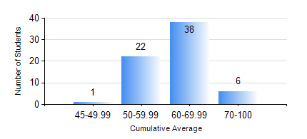
 |  |  | KWAME NKRUMAH UNIVERSITY OF SCIENCE AND TECHNOLOGY, KUMASI Department of Materials Engineering

 |  |  | BSC. METALLURGICAL ENG.

 |  |  | COMPREHENSIVE RECORD OF EXAMINATION RESULTS

 |  |  | RESULTS OF YEAR 4 SECOND SEMESTER, 2024/2025 ACADEMIC YEAR

 | Sn | Course Code |  | Course Name | Credit Hours | Min. Mark | Max. Mark | Avg. Mark | Std. Dev. | No. Passed | No. Trailed | No. (Df) | No. (I) | No. (I*) | No. Tagged(I,I*,Df) | Total
 | 0. |  |  |  |  |  |  | 0 | 0 | 0 | 0 | 0 | 0 | 0 | 0 | 2
 | 1. | ME 492 |  | MANAGEMENT AND ENTREPRENEURSHIP DEVELOPMENT | 2 | 40 | 77 | 67 | 7.04 | 65 | 0 | 0 | 0 | 0 | 0 | 65
 | 2. | METE 452 |  | ELECTROMETALLURGY | 3 | 43 | 84 | 67 | 7.92 | 65 | 0 | 0 | 0 | 0 | 0 | 65
 | 3. | METE 454 |  | METALLURGICAL WASTE MANAGEMENT | 3 | 51 | 87 | 70 | 8.81 | 65 | 0 | 0 | 0 | 0 | 0 | 65
 | 4. | METE 498 |  | FINAL YEAR PROJECT-THESIS PHASE | 4 | 64 | 85 | 77 | 3.76 | 65 | 0 | 0 | 0 | 0 | 0 | 65
 | 5. | MSE 456 |  | MATERIALS QUALITY CONTROL, ASSURANCE AND SELECTION | 3 | 49 | 77 | 68 | 6.41 | 65 | 0 | 0 | 0 | 0 | 0 | 65
 | 6. | MSE 458 |  | PROCESS DYNAMICS AND CONTROL | 4 | 43 | 78 | 61 | 8.51 | 65 | 0 | 0 | 0 | 0 | 0 | 65

